Note
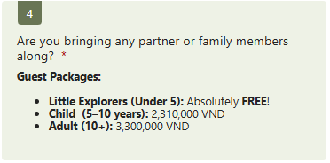
Phòng 4 rẻ hơn phòng 2 | Optimize phòng 4 | Yes, count me in! | 1 Phòng 2 ng lớn + con nít dưới 5
Phòng 2 view đẹp |  | Sorry, I won’t be able to join this time. | Nếu không thì phải extra bed/room
Tăng bonding: Xếp staff với CS nếu có space
Nguyen Nhat Anh LE | Không đi |  | 70% giá phòng
 |  |  | 3tr 2tr1

